Sheet1
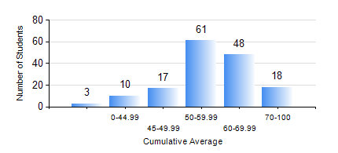
 |  |  | KWAME NKRUMAH UNIVERSITY OF SCIENCE AND TECHNOLOGY, KUMASI Department of Agricultural and Biosystems Engineering

 |  |  | BSC. AGRICULTURAL ENG.

 |  |  | COMPREHENSIVE RECORD OF EXAMINATION RESULTS

 |  |  | RESULTS OF YEAR 1 FIRST SEMESTER, 2024/2025 ACADEMIC YEAR

 | Sn | Course Code |  | Course Name | Credit Hours | Min. Mark | Max. Mark | Avg. Mark | Std. Dev. | No. Passed | No. Trailed | No. (Df) | No. (I) | No. (I*) | No. Tagged(I,I*,Df) | Total
 | 0. |  |  |  |  |  |  | 0 | 0 | 0 | 0 | 0 | 0 | 0 | 0 | 3
 | 1. | AE 153 |  | AGRIC. METEOROLOGY AND CLIMATOLOGY | 2 | 25 | 88 | 59 | 11.9 | 150 | 3 | 0 | 1 | 0 | 1 | 154
 | 2. | CE 155 |  | ENVIRONMENTAL STUDIES | 2 | 12 | 70 | 53 | 10.74 | 142 | 12 | 0 | 0 | 0 | 0 | 154
 | 3. | EE 151 |  | APPLIED ELECTRICITY | 3 | 21 | 100 | 56 | 14.27 | 148 | 6 | 0 | 0 | 0 | 0 | 154
 | 4. | ENGL 157 |  | COMMUNICATION SKILLS I | 2 | 12 | 84 | 57 | 12.42 | 147 | 7 | 0 | 0 | 0 | 0 | 154
 | 5. | MATH 151 |  | ALGEBRA | 4 | 40 | 86 | 61 | 11.71 | 154 | 0 | 0 | 0 | 0 | 0 | 154
 | 6. | ME 159 |  | TECHNICAL DRAWING | 2 | 16 | 86 | 59 | 13.67 | 145 | 9 | 0 | 0 | 0 | 0 | 154
 | 7. | ME 195 |  | ENGINEERING TECHNOLOGY I | 2 | 26 | 96 | 68 | 9.21 | 153 | 1 | 0 | 0 | 0 | 0 | 154

